Support Porfolio
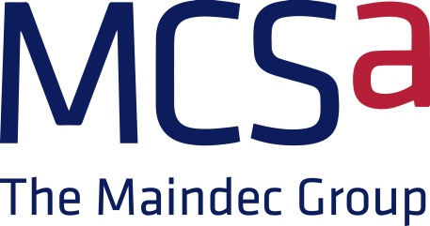

Click on the below link to see our Support Portfolio

https://www.mcsa.co.uk/wp-content/uploads/2015/05/MCSA-Multivendor-Support-Portfolio-V11-1.pdf

About MCSA
About MCSA 'The Maindec Group'….
MCSA 'The Maindec Group' is the UK’s leading independent multi-vendor services provider, delivering 24X7 maintenance support and a wide range of IT services for both non production and business critical systems.
Established in 1979, MCSA 'The Maindec Group' has unparalleled experience of delivering outstanding IT maintenance, service and resource to a varied customer base. We are trusted by organisations in local and central government, finance, publishing, legal, manufacturing, telecoms and many sectors.
From our Service Centres in London, Bristol, High Wycombe, Huntingdon, Redditch, Bradford and Glasgow, we deliver locally based, UK-wide service ensuring our customers receive the very best response times and personal ownership when they most need it. Our ability to deliver consistently against SLAs ensures services to support their most critical business systems as well as their general infrastructure. This confidence has resulted in many of our contracts running for 20 years or more.
MCSA 'The Maindec Group' offers a flexible approach to contract services and delivers demanding response and fix time SLAs on a wide range of legacy and current platforms from HP (Alpha, Unix and Intel), IBM, Sun/Oracle, Dell, Fujitsu, Cisco, NetApp, Nexsan and other vendors.
Click here to see our current accreditations
Our regional and central service teams possess extensive experience and consistency of personnel. Coupled with our financial stability and dedicated professional staff, this provides our customers with the security they need from their long term support partner. We take pride in our work and focus on developing lasting relationships through delivering exceptional quality and value. To ensure our customers receive the best possible service delivery and market-leading SLAs, all contracts include the following quality resources, as featured on our website.
www.mcsa.co.uk
To request a site visit or a call from one of our technical account managers then please call 01628 810977 or email
sales@mcsa.co.uk


Outstanding IT Service – MCSA 'The Maindec Group' Highlights:
· Call logging via our own UK call centre
· Customer Web Portal
· Fast, Effective Response
· Regular Service reports and reviews
· Flexible and proactive account management
· Management and technical escalation if required
· One stop shop for all IT needs – Supply, Support, Resource, Training

